Project Device List From Design
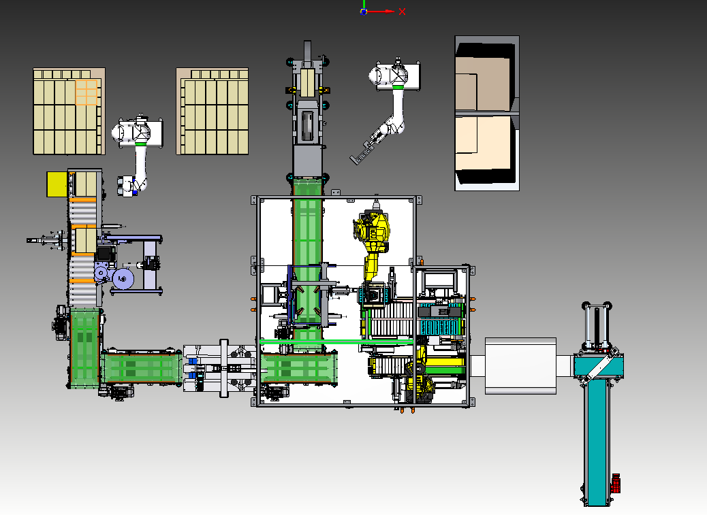
VAP241100000 | CAM LINE -1
VAP241110000 | ZONE-1 Matrix Formation Line |  |  | MAKE
 | Infeed Conveyor | Flat Belt 250W,1550L | 1 | FORBO
 |  | Motor - MOTOR BXN 71MB 4 WD5 IP55 CLF B5 IC0 BIS,IE3 IEC | 1 | BONFIGLIOLI
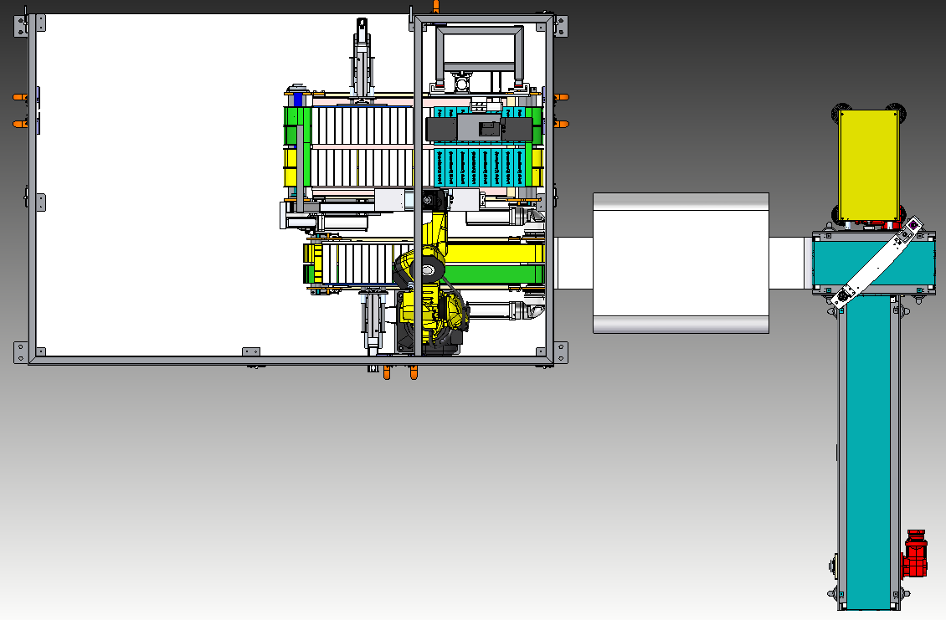
 |  | Gear Box | 1
 | Diverter Conveyor | 24 v DC drive
 |  | Controller
 |  | 30 w belt
 |  | DSBC-32-400-PPVA | 1 | FESTO

 | Offline Conveyor | Flat Belt 250W,3745L | 1 | FORBO
 |  | MOTOR BXN 71MB 4 WD5 IP55 CLF B5 IC0 BIS,IE3 IEC,(GEAR BOX) | 1 | BONFIGLIOLI
 |  | Gear Box | 1
 | Vision System |  | 1
 | Racetrack Conveyor-1 | Servo package | 2 | ROCKWELL
 |  | ATN 20 (TIMING BELT (100W,2900L) | 2 | FORBO
 |  | timing belt PULLEY AT-20, no of teeth 25 | 4 | FORBO
 |  | Servo Gear Box - Apex Dyna | 2 | APEX DYNA
 | Location Slide | SERVO CYLINDER | 1
 |  | servo motor | 1

 | Racetrack Conveyor-2 | Servo package | 1 | ROCKWELL
 |  | ATN 20 (TIMING BELT (100W,2900L) | 4 | FORBO
 |  | timing belt PULLEY AT-20, no of teeth 25 | 4 | FORBO
 |  | Servo Gear Box - Apex Dyna | 1 | APEX DYNA
 | Location Slide | SERVO CYLINDER | 2
 |  | SERVO SLIDE | 2
 |  | servo motor | 2
 | Robot Gripper Assembly | Area Gripper - FXP-SW70 640 3R18 O20 | 1 | SCHMALZ
 |  | 170900 DFM-12-20-P-A-KF | 1 | FESTO
 | SERVO FLIP OVER ASSLY | SERVO LINEAR SLIDE | 1 | FESTO
 |  | SERVO ROTARY ACTUATOR | 1 | FESTO

 |  | LM BLOCK HGH25CA(4 BLOCK),HGR25,760L(2NOS) | 1 | HIWIN
 |  | Area Gripper - FXP-SW70 640 3R18 O20 | 1 | SCHMALZ

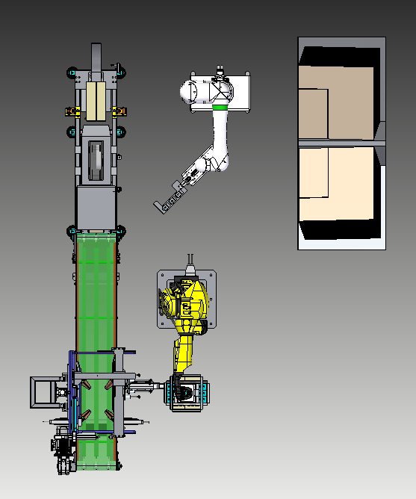
VAP241120000 | ZONE-2 Carton Filling Line
 | CASE COBOT | Suction Grippers | 1 | SCHMALZ
 |  | 536267 ADN-32-100-A-P-A 33890 LNG-32 6144 SG-M10x1,25 | 1 | festo
 |  | Suction cups | 12 | SCHMALZ

 | CASE FORMING ASSLY |  | 1
 | case Handling Conveyor | Modular Belt conveyor | 5
 |  | Moduler belt links - 424W 4320L. | 5 | Forbo
 |  | Sprockets / accessories | 30 | Forbo
 |  | BONFIGLIOLI MOTOR:BXN 80MA 4 WD5 IP55 CLF B5 BIS | 5 | Bonfiglioli
 |  | GEAR BOX | 5 | Bonfiglioli
 | CASE FLAP HOLDER
 |  | SERVO LINEAR ACTUATOR | 1 | FESTO
 |  | SERVO MOTOR | 1 | FESTO
 |  | Linear slides | 2 | FESTO
 |  | STEPPER MOTOR | 2 | FESTO
 |  | LM BLOCK HGH25CA(4 BLOCK),HGR25,760L(2NOS) | 1 | HIWIN
 |  | DESTACO CLAMPS - 82L 25 4030 | 5 | DESTACO
 | CASE STOPPER ASSLY | SERVO SLIDE | 1 | FESTO
 |  | SERVO MOTOR | 1 | FESTO
 |  | 8161430_DFM-25-200-B-PPV-A-KF | 1 | FESTO
 |  |  | 2 | FESTO
 | CASE PACKER ROBOT | Area gripper - FXP-SW-280-3R18-O20 | 2 | FESTO
 |  |  | 2 | Schmalz

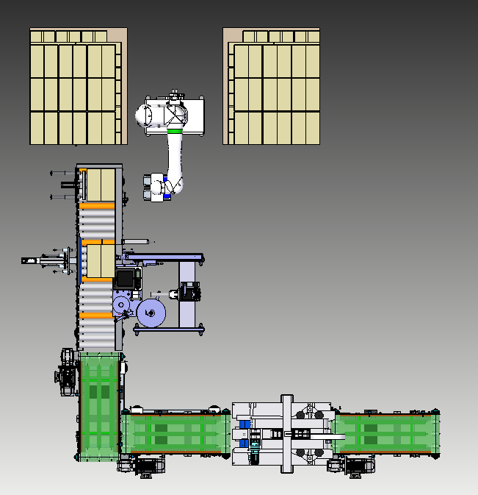
VAP241130000 | ZONE-3 Palletiser
 | Taping machine | water activated case sealer | 1
 | PALLETIZER ROBOT | Area gripper - FXP-SW-280-3R18-O20 | 2
 | Label Applicator |  | 1
 | ROLLER CONVEYOR | BONFIGLIOLI MOTOR:BXN 80MA 4 WD5 IP55 CLF B5 BIS | 1
 |  | GEAR BOX | 1
 | pneumatic LIFTER | 536309 ADN-50-100-A-PPS-A | 1
 | SERVO STOPPER | SERVO MOTOR | 1 | FESTO
 |  | SERVO CYLINDER | 1 | FESTO
 | PNEUMATIC STOPPER horizontal | 536309 ADN-50-100-A-P-A | 1 | FESTO

Layout
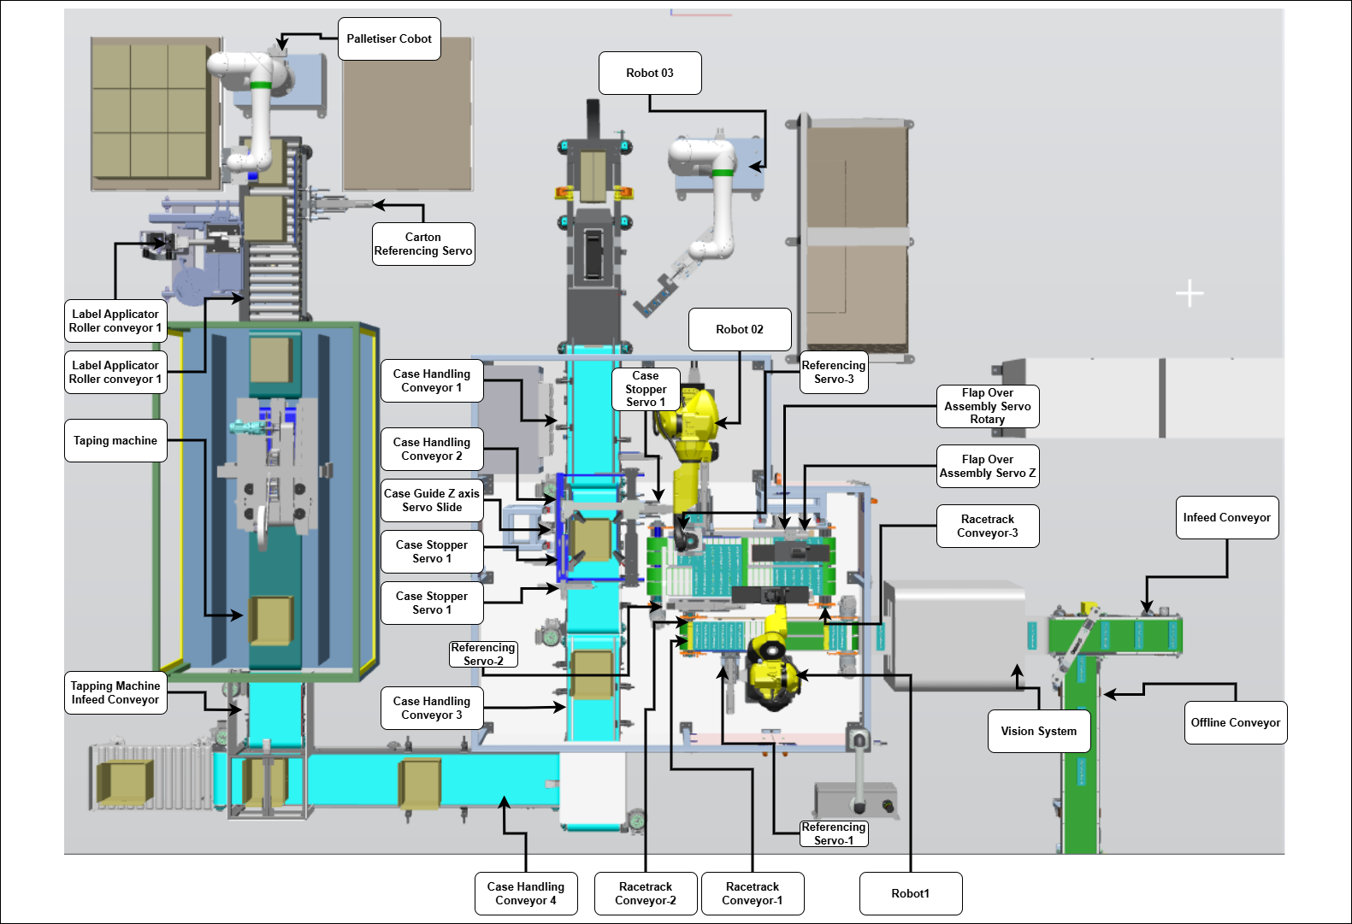
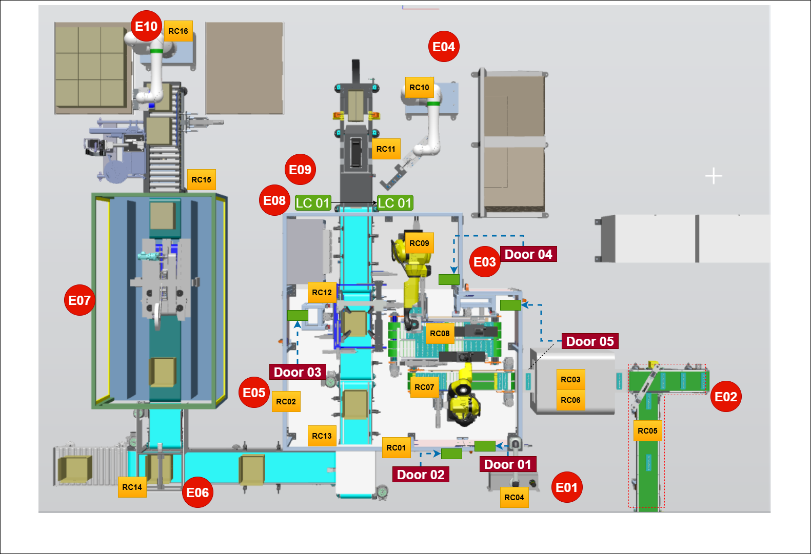

Safety Matrix
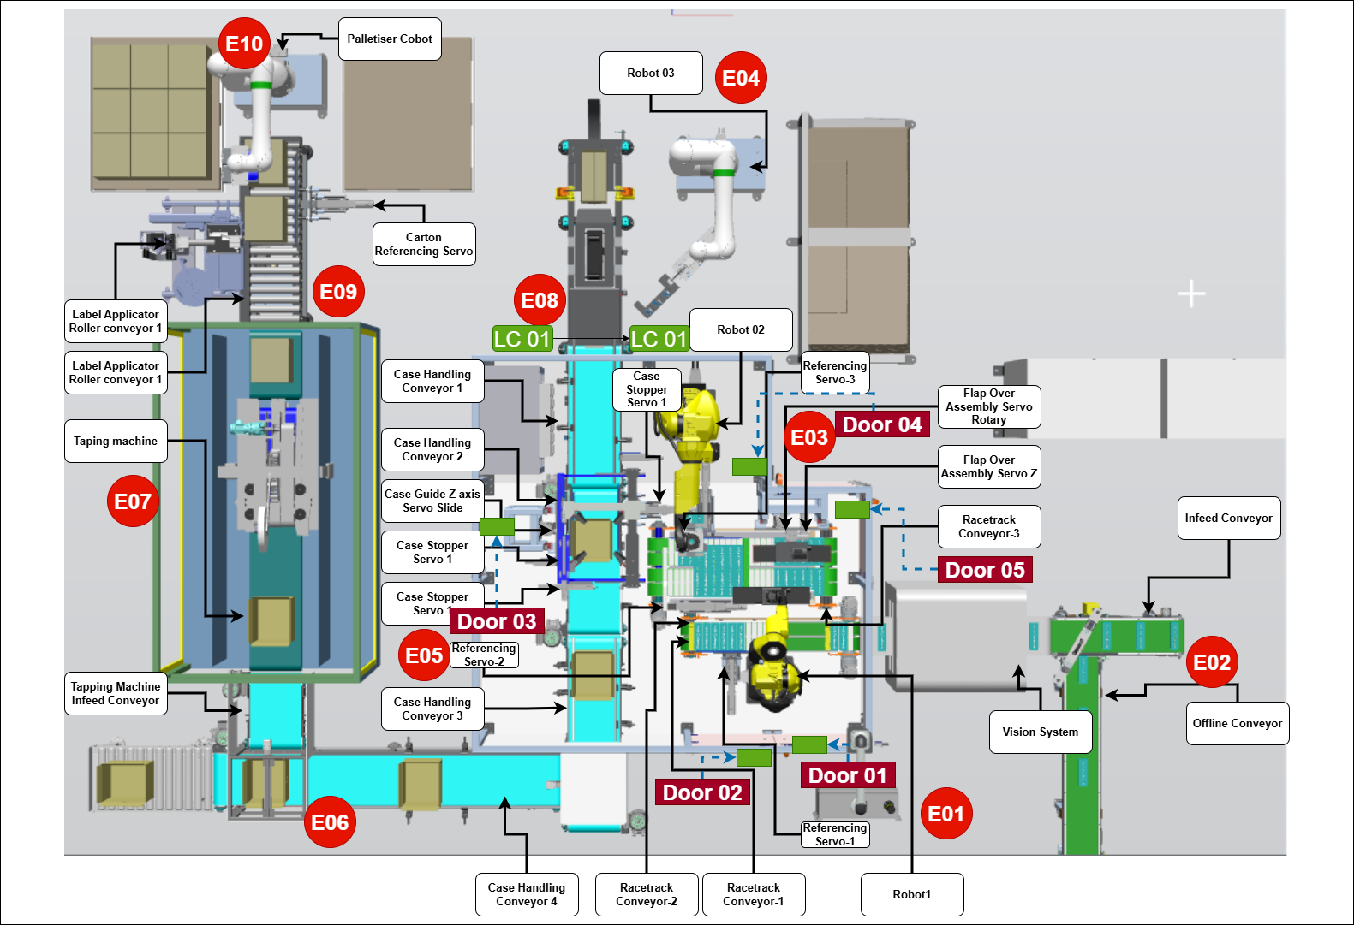
VAPR241 Cam Line Packaging Systems Safety Matrix
Safety Device | Labels | Air Shut off Valve Healthy 1/1 | ROB 01 E Stop 1/1 | ROB 01 Auto Stop 1/1 | ROB 02 E Stop 1/1 | ROB 02 Auto Stop 1/1 | ROB 03 E Stop 1/1 | ROB 04 E Stop 1/1 | Drive STO 01 1/1 | Drive STO 02 1/1 | Servo STO 01 1/1 | Servo STO 02 1/1
E01 HMI E Stop 1/1 | E01 | OFF | OFF |  | OFF |  | OFF | OFF | OFF | OFF | OFF | OFF
E02 IFC01 E Stop 1/1 | E02 | OFF | OFF |  | OFF |  | OFF | OFF | OFF | OFF | OFF | OFF
E03 RTC03 E Stop 1/1 | E03 | OFF | OFF |  | OFF |  | OFF | OFF | OFF | OFF | OFF | OFF
E04 ROB03 E Stop 1/1 | E04 | OFF | OFF |  | OFF |  | OFF | OFF | OFF | OFF | OFF | OFF
E05 CHC02 E Stop 1/1 | E05 | OFF | OFF |  | OFF |  | OFF | OFF | OFF | OFF | OFF | OFF
E06 CHC04 E Stop 1/1 | E06 | OFF | OFF |  | OFF |  | OFF | OFF | OFF | OFF | OFF | OFF
E07 TTM01 E Stop 1/1 | E07 | OFF | OFF |  | OFF |  | OFF | OFF | OFF | OFF | OFF | OFF
E08 LARC01 E Stop 1/1 | E08 | OFF | OFF |  | OFF |  | OFF | OFF | OFF | OFF | OFF | OFF
E09 ROB04 E Stop 1/1 | E09 | OFF | OFF |  | OFF |  | OFF | OFF | OFF | OFF | OFF | OFF
Door01 Close FB 1/1 | Door01 | OFF |  | OFF |  | OFF
Door02 Close FB 1/1 | Door02 | OFF |  | OFF |  | OFF
Door03 Close FB 1/1 | Door03 | OFF |  | OFF |  | OFF
Door04 Close FB 1/1 | Door04 | OFF |  | OFF |  | OFF
Door05 Close FB 1/1 | Door05 | OFF |  | OFF |  | OFF
LC01 Healthy FB01 1/1 | LC01 | OFF |  | OFF |  | OFF

